Additional Information
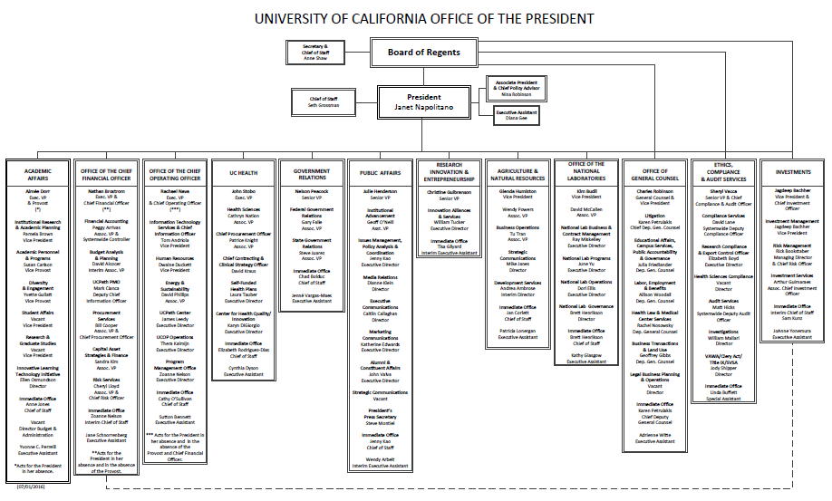
Please feel free to add additional information on the salary analysis tab. You may also submit your salary analysis as separate documents.
The information can be pasted into this document.

Helpful information include:
- organization charts
- any background information impacting the whole organization and not just this individual position.
- peer salaries, if applicable
- more in-depth salary analysis
- funding source
-additional approval information

You may paste in other documents. Please see the below org. chart as an example:

